Sheet1
ID | Group | Category | Epic | Parent Task | Task Name | User Story | Description | Acceptance Criteria | Timestamp | Mockups | Notes | Responsible
CUBE-PH4-D4-001 | Core Platform | Documentation | Core Flow Reference | Data Mapping Reference | Document Product Ticket Matrix | As a CUBE developer, I want a product ticket reference matrix that identifies service ticket, fulfillment ticket, and line item applicability by product line so that ticket setup rules can be standardized across CUBE. | The product ticket matrix defines which ticket types and line items apply to each product line. It identifies whether each item is always applicable, sometimes applicable, not applicable, or dependent on specific conditions such as rates or service type. This matrix is used as a reference when standardizing service ticket behavior across CUBE. | 1. The matrix lists each product line covered by the core flow, 2. The matrix identifies the ticket types associated with each product line, 3. The matrix indicates whether each ticket type is always applicable, sometimes applicable, or not applicable, 4. The matrix identifies whether related line items apply to each ticket type, 5. Conditional applicability rules are documented when a ticket or line item depends on rates or service conditions, 6. The matrix can be used as a reference when standardizing service ticket setup in CUBE. | Day 4, Part 1 [0:03:40 – 0:05:35] |  | This is a documentation/reference story. The matrix should be treated as a guide for ticket and line item applicability across product lines. In the transcript, “work order” terminology is clarified as fulfillment ticket terminology, so CUBE documentation should use consistent naming where possible. | TBD
CUBE-PH4-D4-002 | Toilets | Functional Logic | Product Setup | Product Code Setup | Pull Product Setup Values | As a CUBE developer, I want product setup values to be pulled from the selected product line and product type so that CUBE can generate the required product codes, standard charge abbreviation, and category references used by the core flow. | Product setup starts with the selected product line and product type. Based on those selections, CUBE needs to identify the product abbreviation, product type abbreviation, standard charge abbreviation, parent product/category, and other code combinations used for filtering, setup rules, and downstream ticket or line item logic. | 1. The product record uses the selected product line as part of the setup logic, 2. The product record uses the selected product type as part of the setup logic, 3. The system identifies the product abbreviation from the selected product line, 4. The system identifies the product type abbreviation from the selected product type, 5. The system generates or identifies the standard charge abbreviation, 6. The system identifies the parent product/category when the selected product requires one. | Day 4, Part 1 [0:05:45 – 0:07:25] |  | The example shown in the transcript uses a Construction ADA Toilet, but the code structure applies to the broader product and ticket code setup. The screenshots also show how product abbreviation, product type abbreviation, standard charge abbreviation, product/category references, ticket codes, and Intacct product codes are connected. | TBD
CUBE-PH4-D4-003 | Toilets | Functional Logic | Cycle Management | Cycle Date Calculation | Calculate Next Cycle Dates | As a CUBE developer, I want the product record to calculate the next cycle start and end dates from the delivery date, cycle time, and existing service tickets so that recurring service cycles can be generated in the correct sequence. | Cycle dates are calculated from the product’s delivery date, cycle time, and existing service ticket history. When no standard service tickets exist, the next cycle starts on the delivery date. Once service tickets exist, the next cycle starts after the latest cycle end date, and the next cycle end date is calculated using the applicable cycle duration. | 1. If no standard service tickets exist, the next cycle start date uses the delivery date, 2. If standard service tickets exist, the next cycle start date uses the maximum cycle end date plus one day, 3. The next cycle end date is calculated from the next cycle start date and the configured cycle time, 4. The system supports cycle durations such as 28-day cycles, 5. The system updates cycle dates based on the most recent completed service cycle, 6. The calculated dates can be used by downstream ticket creation and recurring service logic. | Day 4, Part 1 [0:07:25 – 0:10:45] | 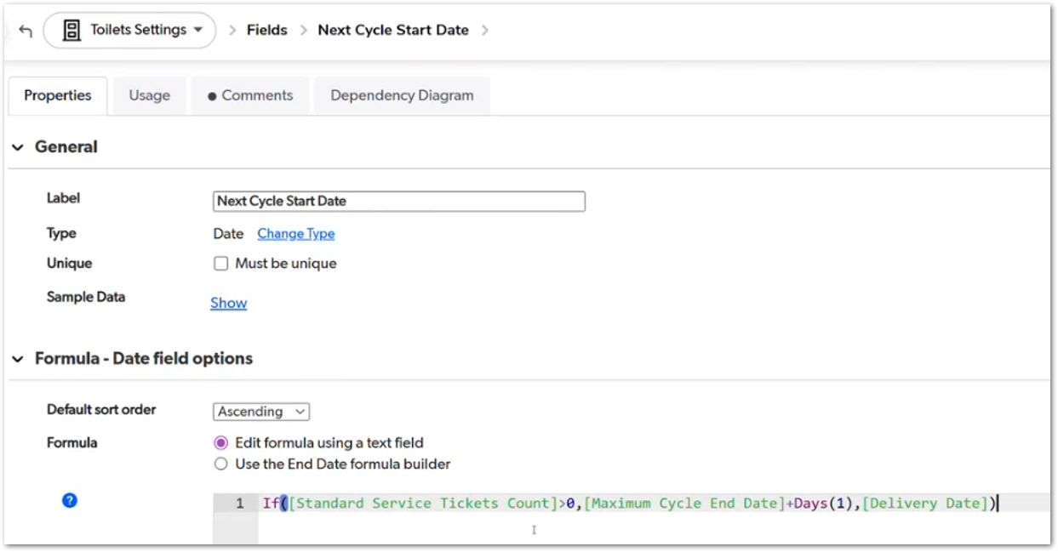 | The screenshot shows the QuickBase formula for Next Cycle Start Date: if Standard Service Tickets Count is greater than zero, the formula uses Maximum Cycle End Date plus one day; otherwise, it uses the Delivery Date. This story captures the cycle formula behavior explained before ticket creation. | TBD
CUBE-PH4-D4-004 | Toilets | Workflow Validation | Dispatching Status | Delivery Dispatch Requirement | Flag Delivery Dispatching Required | As a CUBE developer, I want products marked as sale to be flagged when delivery dispatching is required so that missing delivery tickets or open delivery dispatch tasks are visible in the product status workflow. | Delivery dispatching is required when a product is in Sale or legacy Sale Complete status and the system detects that the delivery process has not been completed. The flag is triggered when no delivery service ticket exists or when there are open delivery dispatch tasks associated with the product. | 1. The system evaluates delivery dispatching only when the product is in Sale or legacy Sale Complete status, 2. If no delivery service ticket exists, delivery dispatching is marked as required, 3. If open delivery dispatch tasks exist, delivery dispatching remains required, 4. If the product does not meet the sale-status condition, delivery dispatching is not triggered by this logic, 5. The delivery dispatching flag feeds product-level status or reporting workflows, 6. The logic accounts for legacy Sale Complete records during migration or status evaluation. | Day 4, Part 1 [0:11:15 – 0:14:05] | 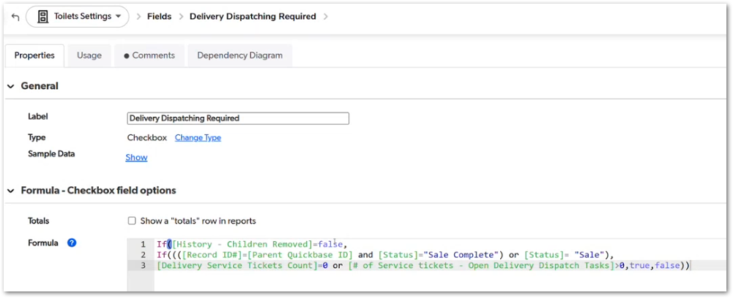 | The screenshot shows the Delivery Dispatching Required formula checking Sale Complete or Sale status, Delivery Service Tickets Count = 0, and open delivery dispatch tasks. The transcript also clarifies that Sale Complete is an old status equivalent to Sale and may need migration handling separately. | TBD
CUBE-PH4-D4-005 | Core Platform | Data Migration | Legacy Status Migration | Sale Complete Conversion | Handle Legacy Sale Complete Values | As a CUBE developer, I want legacy Sale Complete values to be recognized as Sale during migration and status evaluation so that historical product records continue to trigger the correct core flow logic. | Sale Complete is a legacy status that is functionally equivalent to Sale. During migration and core flow rebuild, CUBE needs to account for records that still use Sale Complete so those records continue to behave like active sale records in formulas, status checks, reporting, and downstream workflow logic. | 1. Legacy Sale Complete values are identified during migration analysis, 2. Sale Complete is treated as equivalent to Sale in rebuilt status logic, 3. Existing formulas or conditions that reference Sale Complete are reviewed during migration, 4. Historical records using Sale Complete continue to trigger sale-based workflow logic, 5. Sale Complete handling does not create duplicate or conflicting sale statuses in CUBE, 6. The migration approach defines whether Sale Complete values are converted to Sale or supported as legacy-equivalent values. | Day 4, Part 1 [0:11:35 – 0:13:05] |  | This story is related to delivery dispatching logic, but it is not limited to dispatching. The main purpose is to ensure legacy Sale Complete records continue working anywhere the core flow depends on Sale status. Justin mentions that Sale Complete is an old status equivalent to Sale and may need to be changed to Sale during migration. | TBD
CUBE-PH4-D4-006 | Core Platform | Functional Logic | Reporting Status | Status Workflow | Display Granular Report Status | As a CUBE user, I want the report status to display the next required action for a product so that I can quickly identify whether dispatching, service tickets, line items, invoicing, or payment still need attention. | Report status combines multiple product and ticket-level checks into one user-facing status field. It identifies whether the product still requires delivery dispatching, removal dispatching, other dispatching, a standard service ticket, a removal ticket, a line item, invoicing, or payment follow-up. | 1. Report status is evaluated only when the product is in Sale or legacy Sale Complete status, 2. Report status displays delivery dispatching requirements when delivery dispatching is required, 3. Report status displays removal or other dispatching requirements when those conditions apply, 4. Report status displays service ticket or removal ticket requirements when required tickets are missing, 5. Report status displays line item or invoicing requirements when billing-related steps are incomplete, 6. Report status updates as each required workflow step is completed. | Day 4, Part 1 [0:14:05 – 0:16:35] | 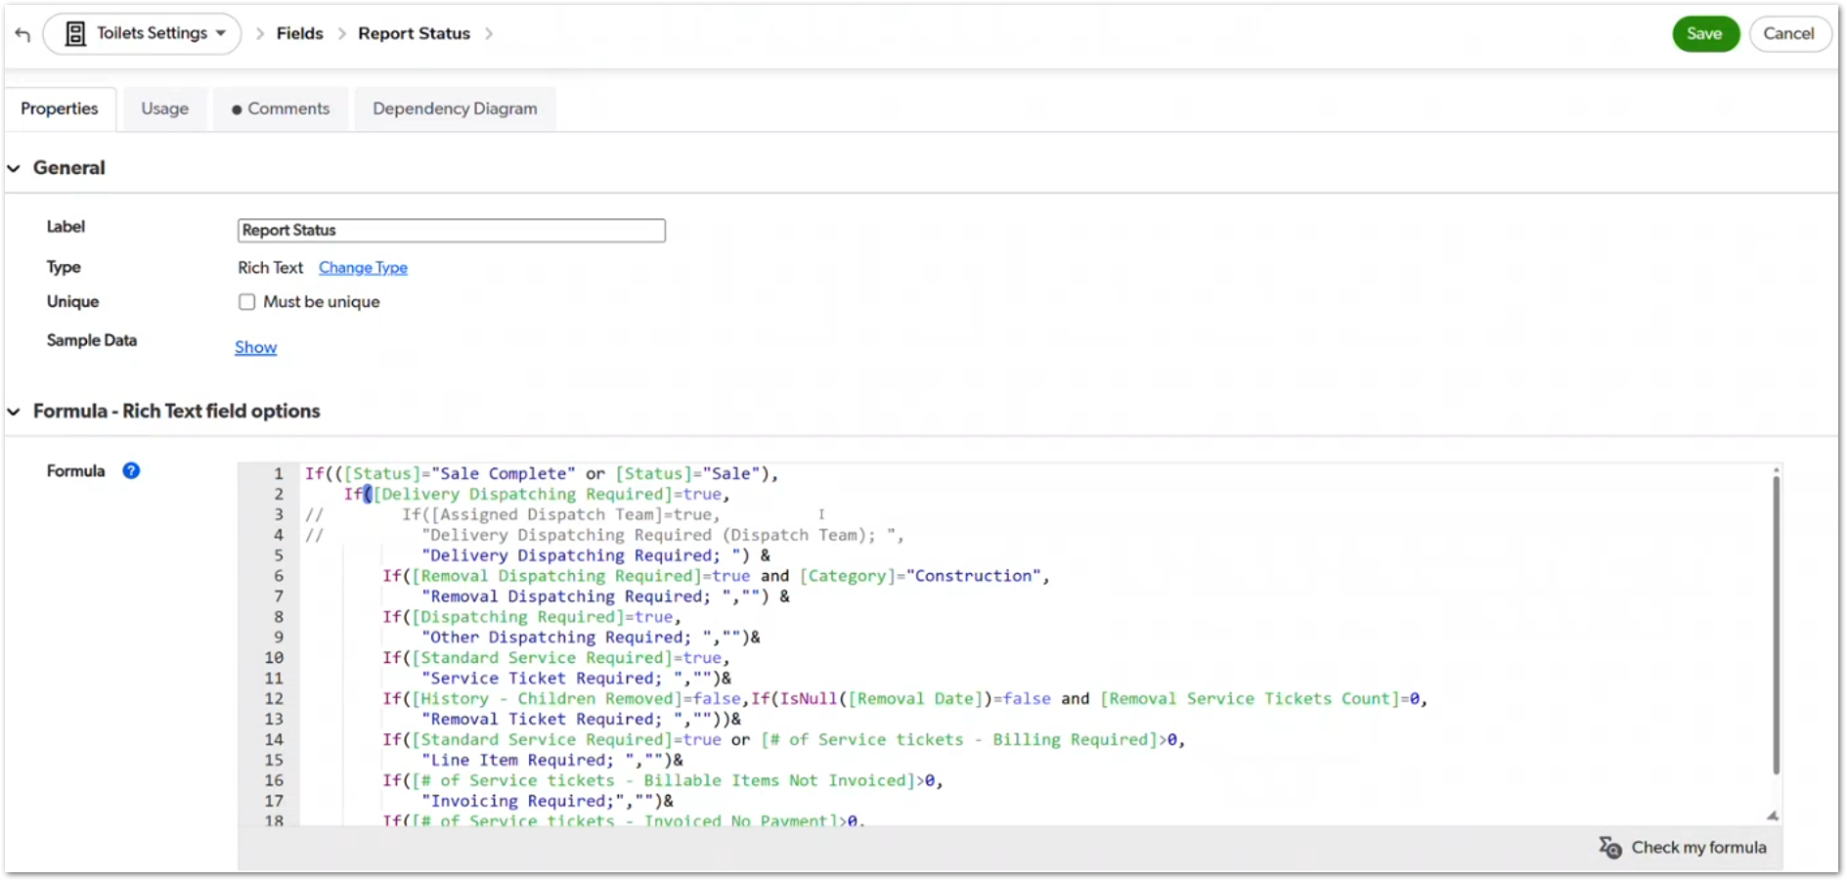 | The screenshot shows the Report Status formula combining several conditions into one rich text field, including Delivery Dispatching Required, Removal Dispatching Required, Dispatching Required, Standard Service Required, Removal Ticket Required, Line Item Required, Invoicing Required, and payment-related checks. Justin also mentions that this logic may be separated into a more granular workflow in CUBE instead of remaining as one long combined status field. | TBD
CUBE-PH4-D4-007 | Toilets | Functional Logic | Standard Service Logic | Service Ticket Requirement | Flag Standard Service Required | As a CUBE developer, I want the product record to flag when standard service is required so that users and automated processes can identify when a standard service ticket is missing or about to be needed for the next billing cycle. | Standard service is required when a product is in Sale or legacy Sale Complete status and the product needs a standard service ticket for the current or upcoming cycle. The logic checks whether standard service tickets already exist, whether the next cycle is approaching, whether the service occurs before removal, and whether the product should still be processed. | 1. The system evaluates standard service requirements only for products in Sale or legacy Sale Complete status, 2. If no standard service tickets exist, the product is flagged as requiring standard service, 3. If the maximum cycle end date is within the configured warning window, the product is flagged as requiring standard service, 4. The system does not require standard service when the removal date falls before or within the current service logic, 5. The standard service required flag feeds product-level status, reporting, and recurring automation criteria, 6. The flag is not triggered for records excluded from processing by historical or migration-related conditions. | Day 4, Part 1 [0:18:00 – 0:22:05] | 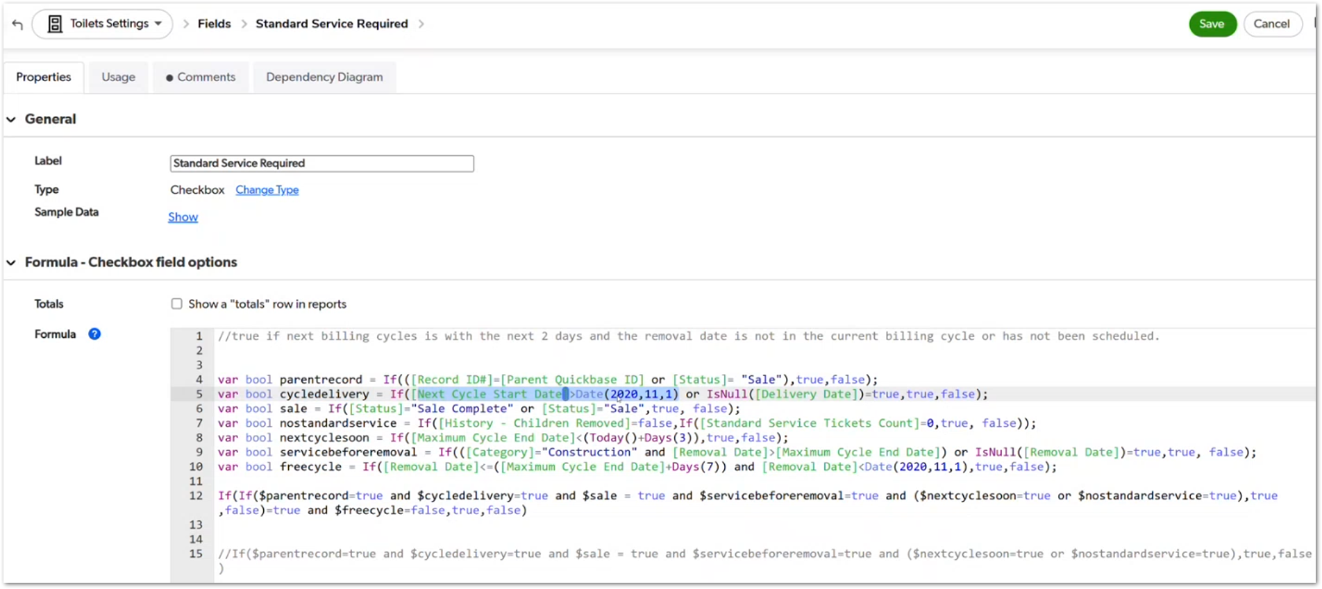 | The screenshot shows the Standard Service Required formula using variables for Sale/Sale Complete status, Standard Service Tickets Count, Maximum Cycle End Date, Removal Date, and historical child-removal logic. The transcript explains that this flag helps warn users when a standard service ticket is missing or when the next cycle is about to require one, and it also feeds the table-to-table process that creates recurring service tickets. | TBD
CUBE-PH4-D4-008 | Core Platform | Automation | Recurring Ticket Creation | Table-to-Table Criteria | Create Next Cycle Service Ticket Automatically | As a CUBE developer, I want the recurring service ticket creation process to use defined eligibility criteria so that CUBE automatically creates the next cycle service ticket only when the product is ready for recurring service. | Recurring service tickets are created through an automated process after the initial service ticket has been created manually. The automation uses eligibility criteria such as Standard Service Required, recurring approval, opt-out status, portal-ready billing preference, valid cycle dates, monthly service count, cycle time, assigned hauler, and the next cycle start date. | 1. The automation requires Standard Service Required to be checked, 2. The automation requires the product to be approved for recurring processing, 3. The automation excludes records where Opt Out Line Item is checked, 4. The automation requires Billing Preference - Portal Ready to be checked, 5. The automation requires valid cycle data, including Next Cycle End Date, Cycle Time, and Next Cycle Start Date, 6. The automation requires at least one monthly service and an assigned Hauler ID before creating the next cycle service ticket. | Day 4, Part 1 [0:22:21 – 0:27:05] | 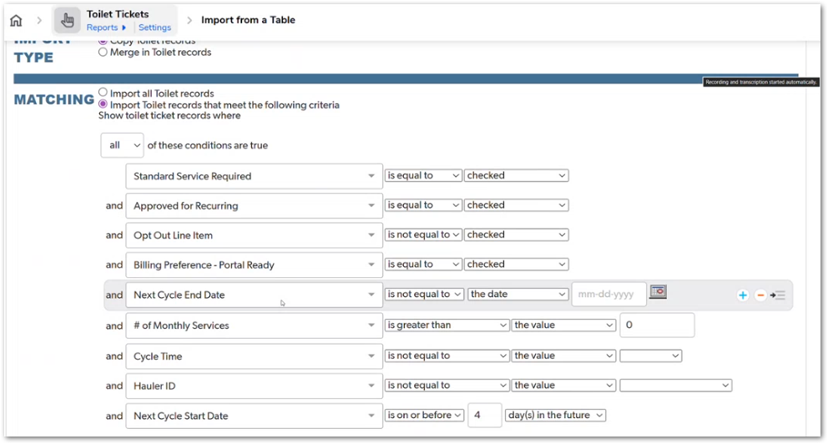 | The screenshot shows the QuickBase table-to-table import criteria for creating toilet tickets. Justin clarifies that the first ticket must be created manually, and the automation only runs after at least one monthly service exists. The Next Cycle Start Date condition shown in the screenshot checks whether the date is on or before four days in the future, while the transcript also mentions a similar three-day warning window in the standard service logic. | TBD
CUBE-PH4-D4-009 | Core Platform | UI/UX | Status Display | Humanized Status Display | Display Computed Service Status Instead of Raw Boolean | As a CUBE user, I want computed backend status flags to be displayed as clear, human-readable status messages so that I can understand the next required action without interpreting raw boolean fields. | Computed backend flags are used to determine which status messages should appear in the product workflow. Instead of showing raw checkbox or boolean values, CUBE should display clear messages such as Delivery Dispatching Required, Service Ticket Required, Line Item Required, Invoicing Required, or payment-related status messages when the related conditions apply. | 1. Raw boolean or checkbox fields are not displayed directly as workflow instructions to users, 2. Computed backend flags are converted into human-readable status messages, 3. The status display includes dispatching-related messages when dispatching flags are true, 4. The status display includes service ticket or removal ticket messages when ticket requirements are true, 5. The status display includes line item, invoicing, or payment messages when billing-related conditions are true, 6. The displayed status message helps users identify the next required action in the workflow. | Day 4, Part 1 [0:27:08 – 0:29:30] |  | The screenshot shows computed fields such as Delivery Dispatching Required, Removal Dispatching Required, Dispatching Required, and Standard Service Required being translated into readable report status text. Justin explicitly says the boolean itself is not directly shown in the UI, but the data computed from that boolean is shown in a humanized way. | TBD
CUBE-PH4-D4-010 | Core Platform | Data Migration | QuickBase Data Export | Historical CSV Backups | Use Full CSV Backups for Large Historical Migration | As a CUBE developer, I want large historical QuickBase data to be migrated from full CSV backups so that archived records and high-volume tables can be restored into CUBE without relying on QuickBase’s limited export process. | Historical QuickBase data may need to be restored from full CSV backups instead of the standard QuickBase export tool. QuickBase exports are limited in size, while QUNect backups can contain full table exports, including very large CSV files and records that were previously archived or removed from QuickBase. | 1. The migration process does not rely on the standard QuickBase export tool for large historical tables, 2. Full CSV backups are used when QuickBase export limits prevent complete data extraction, 3. Archived or removed records are identified from available backup CSV files, 4. Missing historical records can be compared against current data before being restored, 5. Large CSV files are processed in an environment with sufficient resources, 6. The migration approach supports table-by-table restoration into CUBE. | Day 4, Part 1 [0:29:44 – 0:35:05] | NO MOCKUP | Justin explains that QuickBase CSV export is limited to 10 MB, while QUNect backups can produce much larger CSV files, including files several gigabytes in size. Some archived child history records may only exist in those backup files, so those backups are required for historical restoration. | TBD
CUBE-PH4-D4-011 | Toilets | Workflow Validation | Ticket Creation Buttons | Service Ticket Button Rules | Control Service Ticket Button Availability | As an Account Manager (AM), I want service ticket creation buttons to appear only when the required conditions are met so that I cannot create tickets out of sequence or create invalid service tickets. | Service ticket buttons are controlled by lockout rules that evaluate the current product and ticket conditions before allowing ticket creation. For standard service tickets, the logic checks whether a delivery ticket already exists, whether a removal ticket has already been created, and whether the next cycle start date conflicts with the removal date. | 1. The standard service ticket button is unavailable when no delivery ticket exists, 2. The standard service ticket button is unavailable when a removal service ticket has already been created, 3. The system checks whether the next cycle start date is after the removal date, 4. If the next cycle start date is after the removal date, the button displays a warning instead of allowing standard service ticket creation, 5. If no lockout condition applies, the standard service ticket button is available, 6. Button availability is controlled by system logic and not by manual user selection. | Day 4, Part 1 [0:35:12 – 0:37:35] | 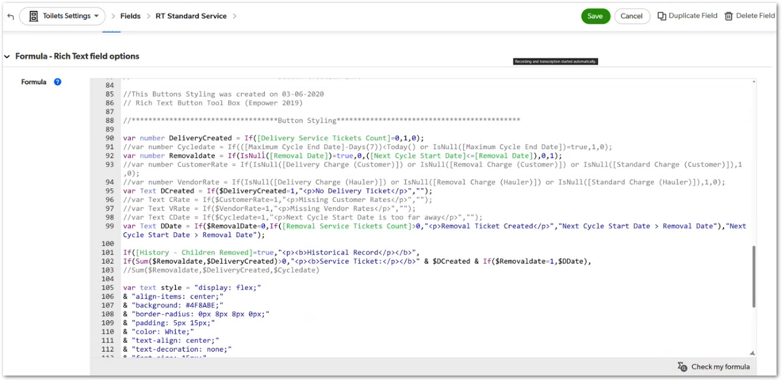 | The screenshot shows the RT Standard Service formula using variables such as DeliveryCreated, Removaldate, and DDate to control whether the button or warning text is displayed. This story is limited to service ticket button availability and lockout behavior, not the full ticket creation process. | TBD
CUBE-PH4-D4-012 | Core Platform | Documentation | Field Mapping | Formula Field Documentation | Identify Critical Formula and Summary Fields | As a CUBE developer, I want critical formula and summary fields to be identified by table and process so that the team can rebuild the required logic without reviewing every QuickBase field manually. | QuickBase contains a large number of fields across the product tables, including formula fields, summary fields, lookup fields, reporting fields, trigger fields, and fields that are no longer used. CUBE needs a focused field mapping approach that identifies the fields required for product setup, ticket creation, line item logic, status calculation, reporting, and migration. | 1. Critical formula fields are identified by table and process, 2. Summary fields used by setup logic, ticket counts, line item counts, and status logic are identified, 3. Field comments or labels are reviewed to understand whether a field is used for process, trigger, report, summary, API, or do-not-use purposes, 4. Equivalent fields across product tables are mapped when they support the same business logic, 5. Deprecated or unused fields are excluded from the core rebuild unless they are required for migration history, 6. The field mapping helps developers trace important logic before rebuilding it in CUBE. | Day 4, Part 1 [0:38:36 – 0:46:30] | 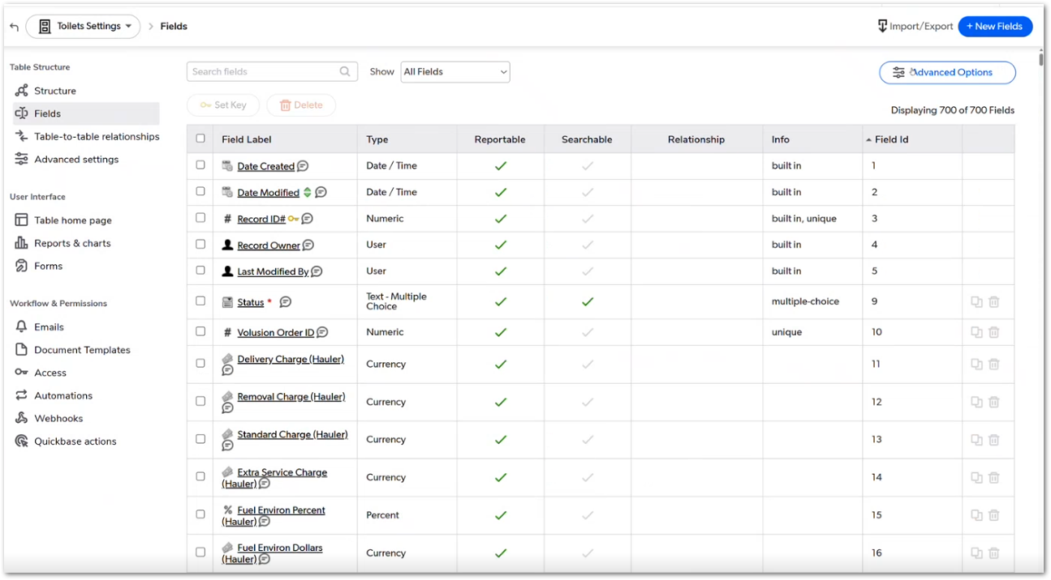 | The screenshot shows the Toilets Settings table displaying 700 fields, which supports Justin’s point that not every field can be documented manually. Justin mentions that field comments may use shorthand such as PRC, TRG, RPT, SUM, ZCorp, and DNU, and that the team should focus on the fields that drive the main structure and process logic. | TBD
CUBE-PH4-D4-013 | Core Platform | Functional Logic | Summary Queries | Ticket Status Aggregation | Aggregate Ticket Counts by Required Status | As a CUBE developer, I want product-level summary counts for service tickets to drive ticket and billing status logic so that CUBE can identify when service tickets, line items, or invoices are still required. | Product-level status logic depends on summary counts from related service tickets. These counts identify whether required tickets exist, whether delivery or service tickets are missing, whether related tickets still need line items, and whether related tickets still need invoicing. CUBE needs equivalent summary logic so product status can accurately reflect incomplete workflow steps. | 1. The system counts related service tickets by ticket type, 2. The system identifies when required delivery or service tickets are missing, 3. The system counts service tickets that still require line items, 4. The system counts service tickets that still require invoicing, 5. Product-level status logic uses these counts to determine whether setup or billing is incomplete, 6. Summary counts are updated when related tickets, line items, or invoices change. | Day 4, Part 1 [0:46:30 – 0:49:50] |  | The screenshot shows a formula using Service & Rental Tickets Count, Delivery Service Tickets Count, Service Tickets Line Item Required - First Cycle, and Service Tickets Invoice Required - First Cycle. Justin explains that QuickBase uses many similar summary queries to evaluate ticket existence, line item requirements, invoicing requirements, and payment status. This story focuses on product-level summary logic, not the individual formulas for each ticket type. | TBD
CUBE-PH4-D4-014 | Core Platform | Technical Dependency | Formula Dependencies | Dependency Traceability | Trace Formula Dependencies Before Changing Logic | As a CUBE developer, I want formula and button dependencies to be traceable before logic is rebuilt or changed so that dependent fields, buttons, and downstream processes are not broken during implementation. | Formula fields and buttons can depend on multiple formulas, lookup fields, summary fields, and related-table values. Before rebuilding this logic in CUBE, developers need to understand which fields a formula or button depends on and which downstream processes may be affected by changes. | 1. Developers can identify the fields used by formula-driven buttons, 2. Developers can trace dependencies across formula fields, lookup fields, summary fields, and related-table values, 3. Developers can identify downstream fields or processes affected by a formula change, 4. Button logic is reviewed before being rebuilt or modified in CUBE, 5. Cross-table dependencies are documented when they affect core flow behavior, 6. High-risk logic is not rebuilt without reviewing its dependency impact. | Day 4, Part 1 [0:52:08 – 0:53:40] | NO MOCKUP | Justin shows a dependency diagram for a button and explains that one button can depend on many fields across several formula, lookup, and summary layers. This story focuses on dependency traceability during the CUBE rebuild, not on recreating QuickBase’s dependency diagram UI exactly. | TBD
CUBE-PH4-D4-015 | Toilets | Functional Logic | Delivery Ticket Setup | Create Delivery Ticket | Create Delivery Ticket with Copied Product Values | As an Account Manager (AM), I want the delivery ticket to be created with the required product, site, billing, hauler, and rate details so that the delivery service ticket is prefilled with the information needed for dispatching and downstream processing. | Delivery ticket creation uses the RT Delivery Ticket logic to pass product-level values into the new delivery service ticket. The delivery ticket is prefilled with values such as delivery date, site information, quantity, frequency of service, onsite contact details, hauler ID, billing preference, and service-related rate fields. After the ticket is created, the system evaluates whether dispatch information is complete and flags the ticket when dispatching is still required. | 1. The delivery ticket is created with the correct delivery ticket code, 2. The delivery ticket receives the delivery date, site details, quantity, and frequency of service from the product record, 3. The delivery ticket receives onsite contact information and Hauler ID when available, 4. The delivery ticket receives the related billing preference and applicable service or hauler rate fields, 5. The system evaluates whether required dispatch information is complete after ticket creation, 6. If required dispatch information is missing, the delivery ticket is flagged as requiring dispatching. | Day 4, Part 1 [1:00:00 – 1:04:59] | 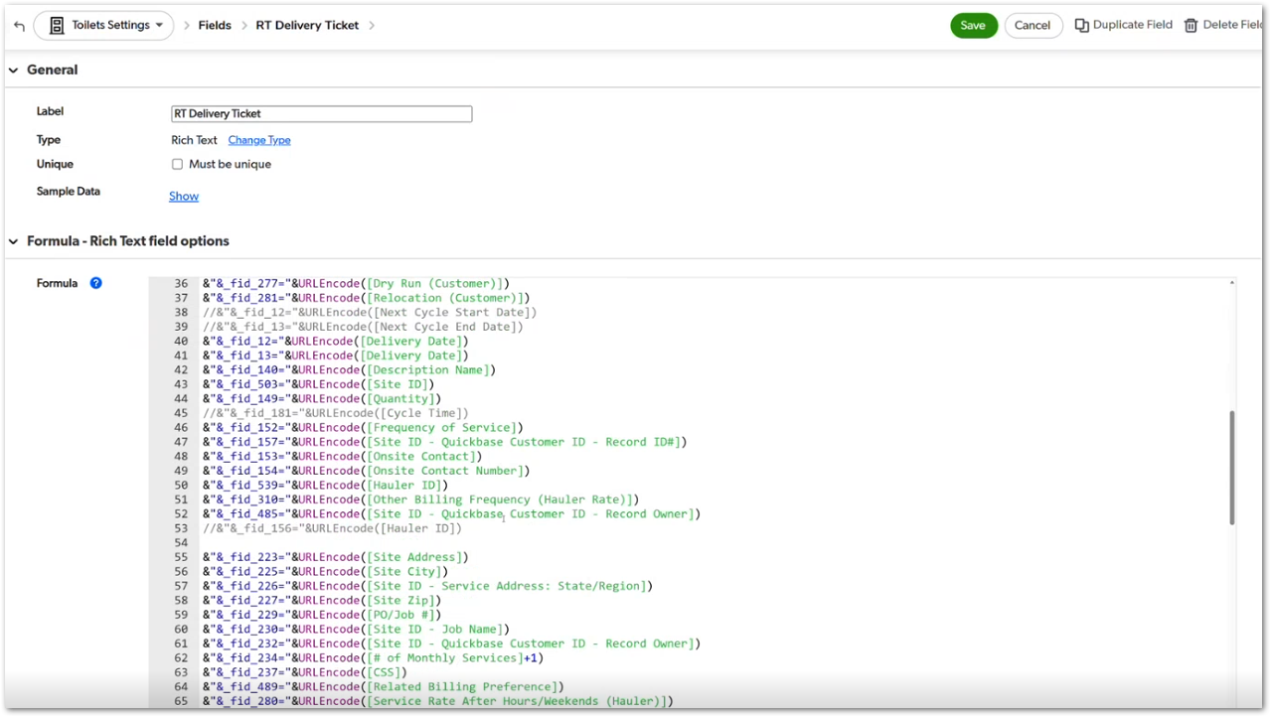 | The RT Delivery Ticket screenshot shows multiple product-level values being passed into the delivery ticket through field IDs, including delivery date, site details, quantity, frequency of service, onsite contact information, Hauler ID, billing preference, and rate-related fields. Justin creates a delivery ticket during the demo and explains that values are pulled automatically. He does not fill out dispatch information, so the system flags dispatching as required. | TBD
CUBE-PH4-D4-016 | Pricing | Data Integrity | Rate Snapshotting | Ticket Pricing Snapshot | Preserve Ticket Pricing at Creation Time | As a CUBE developer, I want ticket pricing and hauler rate details to be captured at the time the ticket is created so that existing tickets and line items keep their original pricing even if product-level pricing changes later. | Ticket pricing is captured as a snapshot when the service ticket is created. The ticket stores the current customer pricing, vendor pricing, hauler rate details, and related pricing values from the product record. This prevents later changes at the product level from modifying the pricing already assigned to existing tickets or line items. | 1. The ticket captures the current customer pricing when it is created, 2. The ticket captures the current vendor or hauler pricing when it is created, 3. Existing ticket pricing does not change when product-level pricing is updated later, 4. Existing ticket hauler or vendor rate details do not change when product-level hauler information is updated later, 5. Line item pricing can use the ticket-level pricing snapshot, 6. Historical ticket and line item pricing remains consistent after upstream product changes. | Day 4, Part 1 [1:05:56 – 1:08:18] | 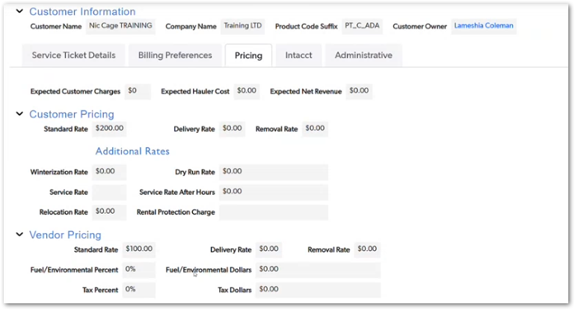 | The screenshot shows the Pricing tab on the service ticket, including customer pricing values such as standard rate, delivery rate, removal rate, winterization rate, dry run rate, service rate, service rate after hours, relocation rate, and rental protection charge, as well as vendor pricing values such as standard rate, delivery rate, removal rate, fuel/environmental percent, fuel/environmental dollars, tax percent, and tax dollars. Justin explains that pricing and hauler information are copied from the product to the ticket, and then from the ticket to the line item, to preserve the values that existed at the time the ticket was created. He also states that this current copy-based approach is inefficient, but the original purpose was to snapshot pricing in time. | TBD
CUBE-PH4-D4-017 | Pricing | Data Integrity | PSP Pricing Metadata | Store Original and Edited Pricing Values | Store Original and Edited Pricing Values | As a CUBE developer, I want original PSP pricing values to be stored separately from edited pricing values so that CUBE can preserve the pricing source while still allowing adjusted rates to be used on the product. | PSP pricing metadata stores the original pricing values returned from the pricing tool, including pricing identifiers and original charge amounts. If users edit pricing values during the pricing flow, CUBE should keep the original pricing tool values for reference while saving the edited values as the current product pricing. | 1. The system stores the original PSP pricing identifiers when pricing is selected from the pricing tool, 2. The system stores the original pricing tool charge values separately from editable product pricing fields, 3. Edited pricing values are saved as the current product pricing when users adjust rates, 4. Original pricing tool values remain unchanged after edits, 5. The product record reflects the adjusted current rates when edits are made, 6. CUBE can compare original pricing tool values against edited product pricing values when needed. | Day 4, Part 1 [1:08:21 – 1:12:15] | 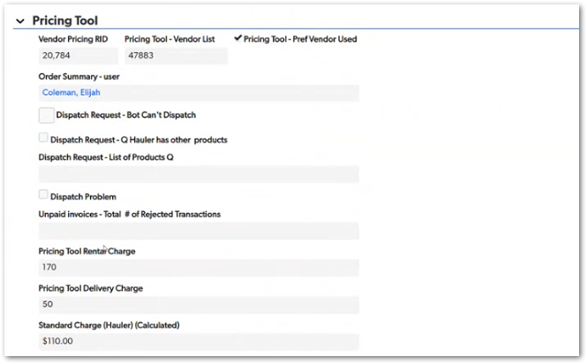 | The screenshot shows Pricing Tool metadata, including Vendor Pricing RID, Pricing Tool - Vendor List, Pricing Tool - Pref Vendor Used, Pricing Tool Rental Charge, Pricing Tool Delivery Charge, and Standard Charge (Hauler) (Calculated). Justin explains that if pricing can be edited in Base44, the original pricing tool values should still be saved separately while the edited values are saved into the active rate fields. This allows CUBE to preserve the original PSP pricing source and still support adjusted rates. | TBD
CUBE-PH4-D4-018 | Core Platform | Data Integrity | No Sale Handling | No Sale Reason Writeback | No Sale Reason Writeback | As a CUBE developer, I want No Sale reasons captured from the HUB Call Wizard flow to write back to the correct customer or product record so that No Sale data is stored at the appropriate level. | No Sale reasons are captured during the Call Wizard flow and need to be stored against the correct record. When the No Sale reason is entered from the customer or site context, the value should write back to the related customer record. When the No Sale reason is entered from the product context, the value should write back to the related product record. | 1. A No Sale reason entered from the customer context writes back to the customer record, 2. A No Sale reason entered from the site context writes back to the related customer record, 3. A No Sale reason entered from the product context writes back to the related product record, 4. The system does not create or depend on a site-level No Sale reason field, 5. The writeback behavior is consistent when the No Sale reason is captured through the HUB Call Wizard flow, 6. Required field IDs or API mappings are confirmed before implementation. | Day 4, Part 1 [1:12:15 – 1:14:15] | NO MOCKUP | Justin clarifies that there is no site-level No Sale reason. If the No Sale reason is entered from the site version of the flow, it should write back to the customer record. If it is entered from the product level, it should write back to the product record. The value appears to come from the HUB Call Wizard flow, but the final CUBE storage/writeback implementation should be confirmed during development. | TBD
CUBE-PH4-D4-019 | Pricing | Architecture | Rate Card Architecture | Pricing Record References | Reference Pricing Records Instead of Copying Full Rate Cards | As a CUBE developer, I want products, service tickets, and line items to reference pricing record IDs instead of copying full rate card values so that CUBE can preserve pricing history while reducing duplicated pricing data. | Pricing records should be referenced by ID instead of copied repeatedly into products, service tickets, and line items. When standard PSP pricing, statistical pricing, or an existing pricing record is used, CUBE should link to that pricing record. When pricing is manually adjusted or custom pricing is required, CUBE should create or reference a separate custom pricing record while preserving the previous pricing reference for history. | 1. Products can reference the active pricing record used for the current product pricing, 2. Service tickets can retain the pricing record that was active when the ticket was created, 3. Line items can reference the applicable pricing record instead of duplicating full rate card values, 4. Custom or manually adjusted pricing creates or references a separate pricing record, 5. Previous pricing references remain available for historical tracking, 6. The pricing structure reduces repeated rate card duplication across products, tickets, and line items. | Day 4, Part 1 [1:14:15 – 1:21:25] | NO MOCKUP | Justin presents this as the preferred future architecture for CUBE pricing. The goal is to avoid copying the same rate card values from product to ticket and from ticket to line item every time a record is created. Pricing history should be preserved through pricing record references instead of repeated snapshots of the full rate card. | TBD
CUBE-PH4-D4-020 | Core Platform | Functional Logic | Product and Ticket Codes | Code Combination Logic | Generate Product and Ticket Code Combinations | As a CUBE developer, I want product line, product type, state, category, and ticket code values to generate the required product and ticket code combinations so that CUBE can apply the correct filtering rules and workflow guardrails. | Product and ticket code combinations are built from several values, including product line, product type, state, product category, and ticket code. These combinations are used to identify values such as the basic product code prefix, basic product code, parent product and ticket code, and related product code references. CUBE needs this code logic to support filtering, setup rules, line item applicability, and downstream workflow validation. | 1. The system uses product line as part of the product and ticket code combination logic, 2. The system uses product type as part of the product and ticket code combination logic, 3. The system includes state when generating Intacct or state-specific product code values, 4. The system uses product category and ticket code values when they are required for parent product or ticket code references, 5. Generated code combinations support filtering, setup rules, and workflow guardrails, 6. Nonessential suffix, prefix, or duplicate code fields are reviewed for simplification during the CUBE rebuild. | Day 4, Part 1 [1:22:34 – 1:27:15] | 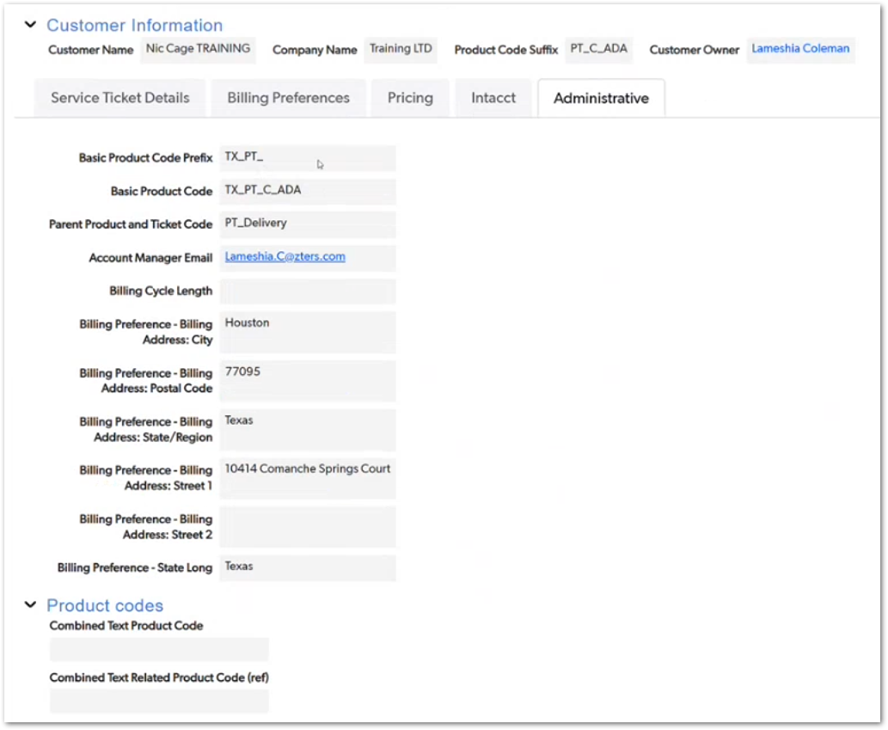 | The screenshot shows generated administrative code values such as Basic Product Code Prefix, Basic Product Code, and Parent Product and Ticket Code. Justin explains that the current setup uses several code pieces and combinations for filtering and formulas, but he also notes that the current code setup is split into too many parts and should likely be simplified in CUBE. | TBD
CUBE-PH4-D4-021 | Toilets | Workflow Validation | Line Item Creation | Line Item Applicability Rules | Determine Applicable and Required Line Items | As a CUBE developer, I want line item applicability to be determined from ticket code, product code, product type, and rate conditions so that only valid line item options are available for the service ticket. | Line item applicability is calculated before the user creates a line item. For delivery line items, the system checks whether the ticket code supports the delivery product code, whether the product type is a delivery type, whether the delivery amount is greater than zero, and whether the combined product code does not already include the delivery code. When these conditions are met, the delivery line item becomes applicable. | 1. The system checks whether the ticket code includes the applicable product code for the line item type, 2. The system checks whether the product type matches the expected line item type, such as delivery, 3. The system checks whether the related rate amount is greater than zero when the line item depends on a rate, 4. The system verifies that the combined product code does not already include the generated line item code, 5. The line item option becomes available only when all applicability conditions are met, 6. Unrelated or invalid line item options remain unavailable for the service ticket. | Day 4, Part 1 [1:28:00 – 1:36:50] |  | The screenshot shows the Delivery formula in Toilet Tickets Settings. The formula checks Ticket Code - All Product Codes, Product Type with _DELIVERY, Delivery Amount greater than zero, and Combined Text Product Code using the Basic Product Code Prefix plus _DELIVERY. Justin explains this as part of the three-tier process: ticket code defines what could be required, product/code conditions determine applicability, and then the UI shows the line item button when the line item is applicable and required. | TBD
CUBE-PH4-D4-022 | Core Platform | Technical Integration | QuickBase Button Behavior | URL-Based Record Creation | Replicate URL-Based Add Record Behavior Where Needed | As a CUBE developer, I want to understand QuickBase URL-based record creation buttons so that equivalent record creation behavior can be rebuilt in CUBE without relying on the old URL variable approach. | QuickBase uses URL-based button formulas to create related records and prefill field values. These formulas build a URL using the target table, API_GenAddRecordForm, and multiple field ID parameters. CUBE needs equivalent record creation behavior that passes the required values into the new record through application logic instead of relying on QuickBase URL formulas. | 1. The existing QuickBase URL formula identifies the target table or database used for record creation, 2. The formula parameters and field IDs used to prefill the new record are mapped to the corresponding CUBE fields, 3. Required values passed through the URL are identified and documented, 4. CUBE recreates the same record creation behavior through application logic, 5. Users do not need to manually enter or modify URL strings, 6. The rebuilt process preserves the required source-to-target field mapping from the QuickBase button. | Day 4, Part 1 [1:36:52 – 1:39:50] | 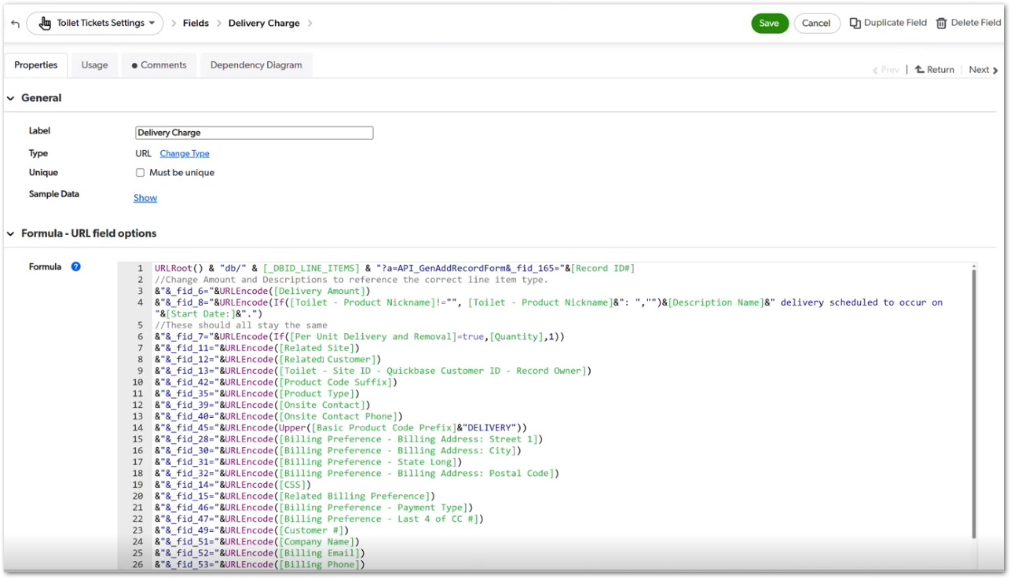 | The screenshot shows the Delivery Charge field as a URL formula using URLRoot(), the line items database reference, API_GenAddRecordForm, and several _fid_ parameters to pass values into a new line item record. Justin clarifies that this is technically an API-style QuickBase process, but he describes it as URL variables rather than a modern authenticated API process. | TBD
CUBE-PH4-D4-023 | Core Platform | Functional Logic | Line Item Summary Logic | Ticket-Level Line Item Status | Aggregate Line Item Status at Ticket Level | As a CUBE developer, I want service tickets to summarize their related line items so that the ticket can identify whether required line items exist, have been invoiced, or remain unpaid. | Ticket-level status logic depends on summary counts from related line items. These counts determine whether the required line items have been created, whether line items are still missing, whether any line items have not been invoiced, and whether invoiced line items still have pending payment. CUBE needs equivalent ticket-level summary logic so service ticket status can accurately reflect incomplete billing steps. | 1. The ticket counts related line items by required line item type, 2. The ticket identifies when required line items are missing, 3. The ticket identifies whether standard charge line items exist when required, 4. The ticket identifies whether required line items have not been invoiced, 5. The ticket identifies whether invoiced line items remain unpaid, 6. Ticket-level status updates when related line items, invoices, or payment statuses change. | Day 4, Part 1 [1:40:03 – 1:46:40] | NO MOCKUP | This story focuses on ticket-level line item summaries. Justin compares this logic to product-level ticket summaries, but at the service-ticket-to-line-item level. The goal is to allow the ticket to determine whether line items exist, whether they have been invoiced, and whether payment is still pending. | TBD
CUBE-PH4-D4-024 | Core Platform | Data Model | Product Code Model | Product and Service Codes | Differentiate Product Codes Used for Products and Services | As a CUBE developer, I want product codes to represent both physical products and service-type codes so that CUBE can correctly support ticket-driven services such as delivery, haul, dry run, winterization, miscellaneous service, and removal. | Product codes are used for more than physical products. They also represent service-type codes tied to ticket behavior, such as dry run, winterization, miscellaneous service, monthly service, haul, and contamination. CUBE needs to preserve this distinction so ticket codes, product codes, tax codes, and line item logic can work correctly across product lines. | 1. Product code records can represent physical product configurations, 2. Product code records can represent service-type codes tied to ticket behavior, 3. Service-type codes can be associated with ticket codes such as haul, dry run, winter, miscellaneous, monthly service, or contamination, 4. Product codes retain related metadata such as product abbreviation, related product, related ticket code, and tax code, 5. Ticket and line item logic can use service-type product codes when determining applicability, 6. The product code model supports both product and service entries without treating all records as physical products. | Day 4, Part 1 [1:47:00 – 1:51:35] | 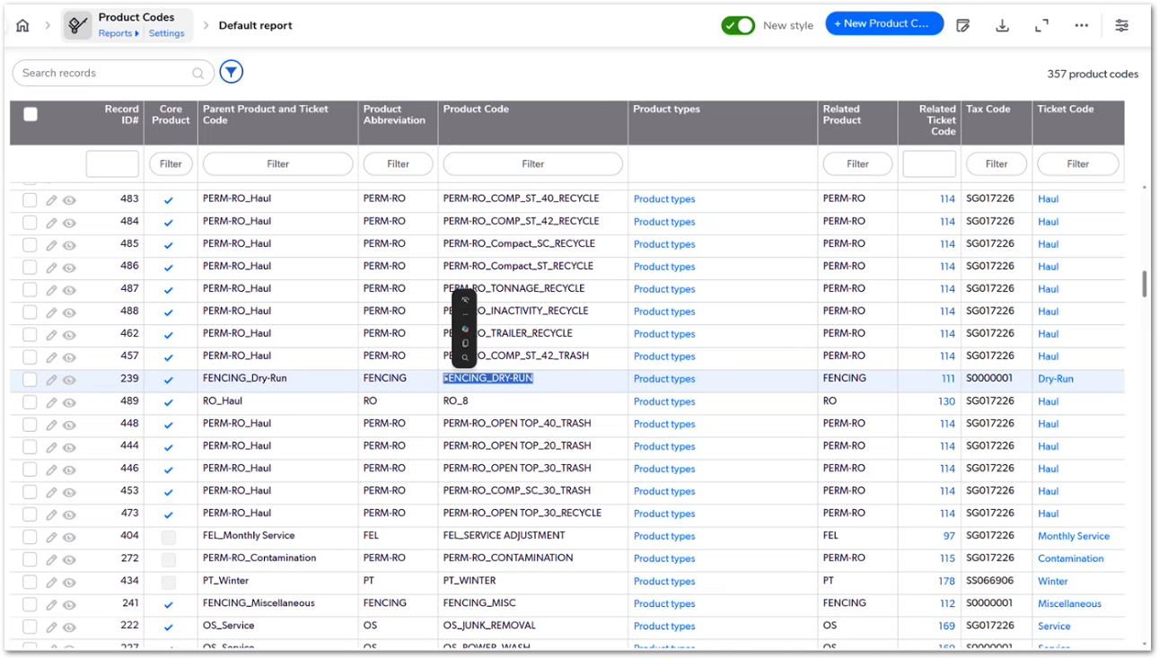 | The screenshot shows the Product Codes table with examples such as PERM-RO haul product codes, FENCING_DRY-RUN, PT_WINTER, FEL_SERVICE ADJUSTMENT, PERM-RO_CONTAMINATION, and FENCING_MISC. Justin explicitly explains that product codes are a combination of actual products and services, not only physical products. | TBD
CUBE-PH4-D4-025 | Core Platform | Functional Logic | Invoicing Status | Ticket Invoice Status from Line Items | Mark Ticket Invoiced When Any Related Line Item Has an Invoice | As a CUBE developer, I want the service ticket to determine invoice status from its related line items so that the ticket can identify whether billing has already occurred without requiring a separate manual ticket-level invoice flag. | Service ticket invoice status is inferred from related line item data. If any related line item has an invoice associated with it, the ticket can be treated as invoiced for workflow and status purposes. The ticket also uses line item summary values to identify whether line items are missing, not invoiced, or unpaid. | 1. The system checks related line items for invoice associations, 2. If at least one related line item has an invoice, the ticket is treated as invoiced, 3. The ticket identifies when related line items have not been invoiced, 4. The ticket identifies when invoiced line items remain unpaid, 5. Ticket-level billing status updates when related line item invoice or payment status changes, 6. The logic does not require users to manually update a separate ticket-level invoice flag. | Day 4, Part 1 [1:51:35 – 1:52:55] | 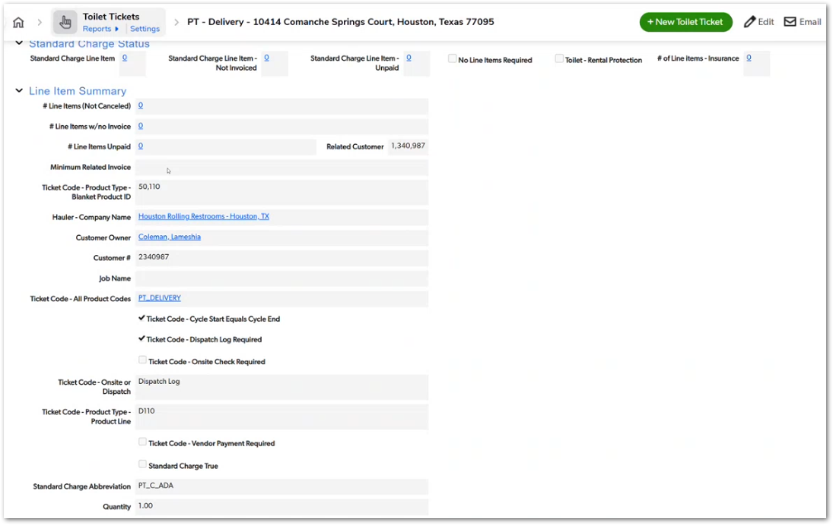 | The screenshot shows ticket-level line item summary fields such as Line Items, Line Items w/no Invoice, and Line Items Unpaid. Justin explains that if any line item under a ticket has a related invoice ID, the ticket can be treated as invoiced because users normally do not invoice only one line item and leave the rest uninvoiced. He acknowledges partial invoicing could technically happen, but the current operational logic does not handle it that way. | TBD
CUBE-PH4-D4-026 | Customers | Functional Logic | Credit Status | Fraud Warning Logic | Display Possible Fraud Warning in Credit Status | As a CUBE user, I want the customer credit status to display a possible fraud warning when fraud approval conditions are met so that users can identify customers that may require additional review before continuing with the order flow. | Customer credit status includes fraud warning logic based on customer billing preference and fraud approval conditions. When the customer has multiple billing preferences and the fraud warning approval flag is active, the credit status should display a clear Possible Fraud Warning message before users proceed with related order or billing actions. | 1. The system evaluates fraud warning logic from the customer credit status, 2. The system checks whether the customer has more than one new billing preference, 3. The system checks whether the customer matches the specific fraud warning customer condition shown in the formula, 4. The system checks whether Fraud Warning Approval is true, 5. When the required conditions are met, the credit status displays Possible Fraud Warning, 6. The warning is visually distinguishable from other credit status messages. | Day 4, Part 1 [2:07:32 – 2:10:00] | 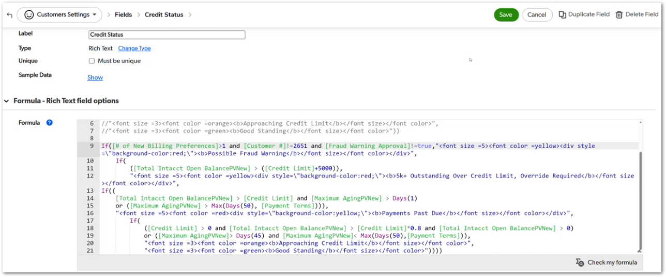 | The screenshot shows the Customers Settings > Credit Status formula displaying a Possible Fraud Warning when the customer billing preference count, customer ID condition, and Fraud Warning Approval condition are met. This topic appears briefly after the break when Justin checks the fraud warning logic before returning to the main core flow discussion. | TBD
CUBE-PH4-D4-027 | Fulfillment | Functional Logic | Dispatch Data | Fulfillment Dispatch Requirements | Move Dispatch Information Logic to Fulfillment Tickets | As a CUBE developer, I want dispatch information to be handled through fulfillment tickets so that dispatch details are captured in the workflow where fulfillment work is managed. | Dispatch information is currently captured on service tickets, including dispatch log details, vendor information, and related line item information. In CUBE, this dispatch information should be reviewed as part of the fulfillment workflow because fulfillment tickets are expected to manage the dispatch process. Ticket types that do not require dispatching, such as dry run or miscellaneous cases learned from the hauler, should not require unnecessary dispatch steps. | 1. Dispatch information requirements are reviewed at the ticket-code level, 2. Fulfillment tickets capture or manage dispatch information in the future workflow, 3. Dispatch log details such as called in by, called in on, dispatched by, dispatched with, and dispatched on are considered in the fulfillment design, 4. Vendor information needed for dispatch is available in the fulfillment workflow, 5. Ticket types that do not require dispatching are identified and excluded from unnecessary dispatch requirements, 6. The new workflow avoids duplicating dispatch handling between service tickets and fulfillment tickets. | Day 4, Part 1 [2:13:32 – 2:17:15] | 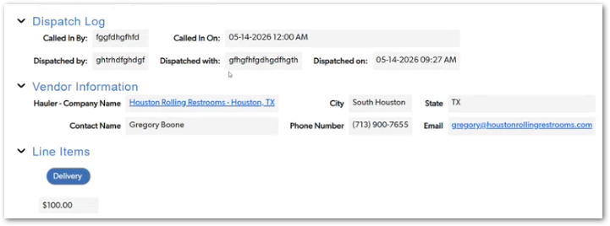 | The screenshot shows dispatch-related information currently displayed on the service ticket, including Dispatch Log, Vendor Information, and Line Items. Justin explains that dispatch information currently lives on service tickets and is defined by ticket-code rules, but this information should move to the fulfillment process in CUBE. He also notes that some ticket types, such as miscellaneous or dry run tickets, may not require dispatching because the issue is usually learned from the hauler rather than dispatched back to the hauler. | TBD
CUBE-PH4-D4-028 | Fulfillment | Functional Logic | Vendor Payment | Vendor Payment Requirement | Determine When Vendor Payment Is Required | As a CUBE developer, I want the system to determine when vendor payment is required for a service ticket so that vendor payment and item receipt processes are triggered only when the service type requires them. | Vendor payment requirement is currently driven by ticket code configuration. Some service tickets always require vendor payment, while others may only require vendor payment when a vendor charge exists. CUBE needs to determine whether vendor payment is expected for each service ticket so that downstream item receipt and vendor payment workflows are triggered correctly. | 1. The system identifies whether vendor payment is required for the service ticket, 2. The vendor payment requirement can be derived from ticket-code configuration, 3. Tickets with optional vendor charges do not automatically require vendor payment, 4. Tickets with expected vendor payment trigger the related item receipt or vendor payment workflow, 5. Future logic can evaluate vendor rate-card values when vendor payment depends on whether a charge exists, 6. Vendor payment requirement logic supports fulfillment and downstream payment processing. | Day 4, Part 1 [2:17:15 – 2:20:30] | NO MOCKUP | Justin explains that Vendor Payment Required is currently pulled from the ticket code. He compares cases such as portable toilet delivery, where vendor payment may be optional depending on whether a delivery charge exists, with standard service, where vendor payment is expected. He also mentions that future logic could evaluate vendor rate-card values, such as whether a vendor delivery charge exists, instead of relying only on ticket-code configuration. | TBD
CUBE-PH4-D4-029 | Toilets | Functional Logic | Recurring Charges | Winterization and Additional Rental Flags | Calculate Winterization and Additional Rental Applicability | As a CUBE developer, I want recurring service tickets to identify when winterization or additional rental line items are applicable so that CUBE can generate the correct extra charges only when the service cycle, state, and product conditions require them. | Recurring service tickets may require additional line items based on state-specific rental rules or winterization logic. California and Indiana can trigger additional rental handling, while winterization depends on whether the ticket belongs to a winter service cycle and whether the winter fee product code applies. These checks help determine whether extra line items, such as rental or winterization, should be available or generated. | 1. The system identifies whether the service ticket is associated with California or Indiana, 2. The system evaluates whether additional rental logic applies for the service ticket, 3. The system identifies whether the ticket is part of a winter service cycle, 4. The system checks whether the winter fee product code applies, 5. The system uses rental and winterization codes when determining applicable extra line items, 6. Additional rental or winterization line items are available or generated only when the required conditions are met. | Day 4, Part 1 [2:20:30 – 2:23:15] | 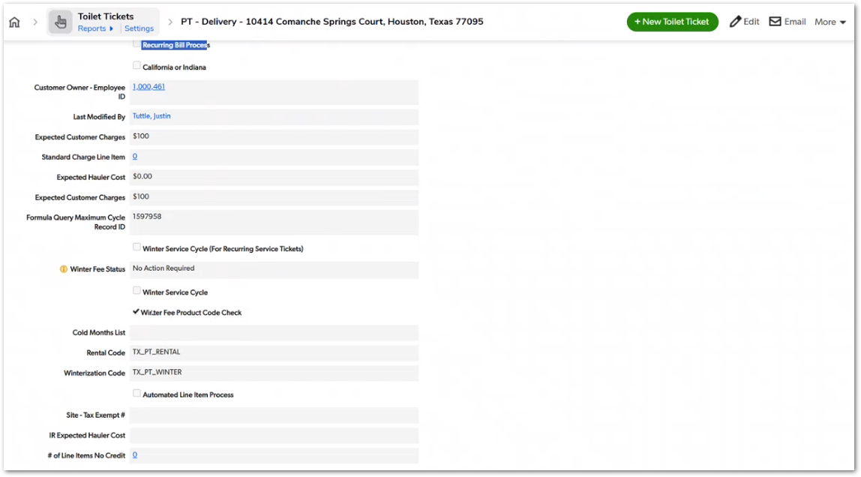 | The screenshot shows fields used in recurring billing and winterization logic, including California or Indiana, Winter Service Cycle, Winter Fee Product Code Check, Cold Months List, Rental Code, Winterization Code, and Automated Line Item Process. Justin explains that California and Indiana logic applies to standard service tickets, not delivery tickets, and that winterization uses a separate winter service cycle and product code check. | TBD
CUBE-PH4-D4-030 | Core Platform | Data Integrity | Line Item Creation | Line Item Specific Rate Pull | Create Line Item with the Specific Applicable Amount | As a CUBE developer, I want line item creation to pull only the amount relevant to the specific line item type so that line items store the correct charge without duplicating the full ticket rate card. | Line items do not need to copy every rate stored on the service ticket. When a line item is created, CUBE should use the amount that matches the specific line item type. For example, a delivery line item uses the delivery amount, while other line item types use their own applicable amounts, such as winterization, insurance, or service-related charges. | 1. A delivery line item pulls only the delivery amount, 2. A winterization line item pulls only the winterization amount, 3. An insurance line item pulls only the insurance amount, 4. A service or rental line item pulls the applicable service or rental amount, 5. Line items do not duplicate the full ticket rate card, 6. Each line item stores the amount that corresponds to its product or service code. | Day 4, Part 1 [2:24:00 – 2:28:30] | NO MOCKUP | Justin explains that tickets copy all rate values, but line items pull only the specific amount relevant to the line item being created. This keeps the line item focused on the charge it represents, such as delivery, winterization, insurance, rental, or service, instead of copying every pricing field from the ticket. | TBD
CUBE-PH4-D4-031 | Core Platform | Integration | Intacct Product Codes | Product Code Validation | Validate Final Product Code Against Intacct | As a CUBE developer, I want line item product codes to be selected from the Intacct product code list so that line items use valid product codes before they are sent to downstream invoicing processes. | Line item product codes are tied to Intacct product code data. The Product Code field on line items uses values from the Intacct Data product code list, which helps ensure that the product code assigned to a line item exists in the accounting product code reference before invoicing. | 1. The line item Product Code field uses values from the Intacct product code reference list, 2. Users or system logic can only assign product codes that exist in the approved product code source, 3. The selected product code is stored on the line item, 4. Invalid or missing product codes are prevented before downstream invoicing, 5. Product code validation supports the HUB and Intacct invoicing flow, 6. The product code reference source is maintained so CUBE can validate line item product codes consistently. | Day 4, Part 1 [2:28:30 – 2:31:20] | 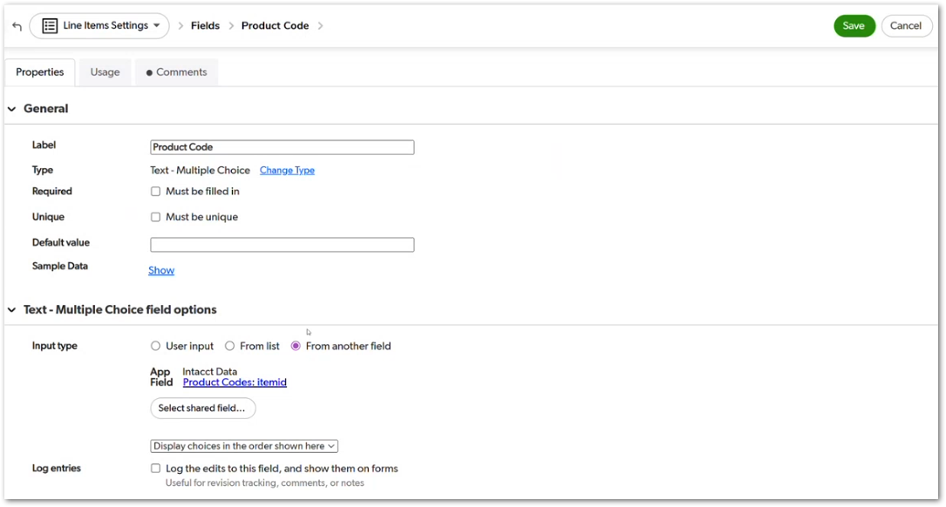 | The screenshot shows the Line Items Settings > Product Code field configured as a Text - Multiple Choice field with input from another field: Intacct Data > Product Codes: itemid. This supports Justin’s explanation that product codes must match Intacct product code data before line items continue into the invoicing process. | TBD
CUBE-PH4-D4-032 | Core Platform | Integration | Employee and Tax Metadata | Intacct Metadata Values | Pull Employee, Product Line, and Tax Metadata for Line Items | As a CUBE developer, I want line items to pull the required Intacct, employee, tax, vendor, and product metadata so that downstream accounting and invoicing processes have the information they need. | Line items require several metadata values before they can support invoicing and accounting workflows. These values include product line, employee ID, tax-related fields, billing and service state, related vendor, related product code, recurring billing status, and product-code flags such as core product or additional rental. CUBE needs to populate these values consistently when a line item is created. | 1. The line item stores the product line required for downstream accounting, 2. The line item stores the employee ID associated with the customer owner or related employee, 3. The line item stores tax-related fields such as Avalara tax, initial tax code, billing state, and service state when applicable, 4. The line item stores the related vendor when vendor information is required, 5. The line item stores the related product code and product-code flags such as core product or additional rental, 6. The metadata supports downstream invoicing, accounting, tax, and recurring billing logic. | Day 4, Part 1 [2:31:20 – 2:35:10] | 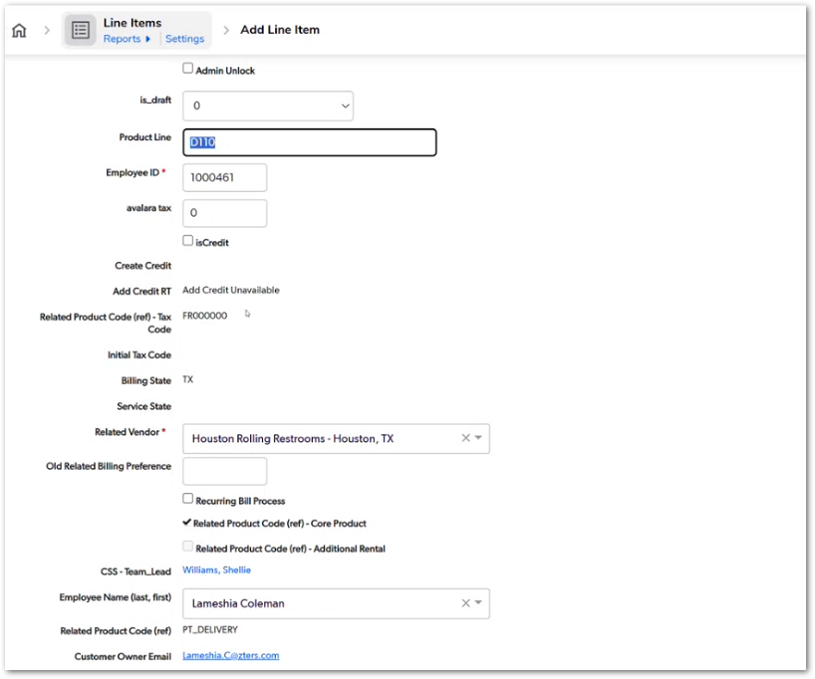 | The screenshot shows the Add Line Item screen with metadata fields such as Product Line, Employee ID, Avalara Tax, Related Product Code, Initial Tax Code, Billing State, Service State, Related Vendor, Recurring Bill Process, Core Product, Additional Rental, Employee Name, and Customer Owner Email. Justin explains that line items need the full Intacct product code, product line, employee ID, and tax code for downstream accounting processes. He also mentions that the employee ID is metadata from an external employee system, currently Paycor and later Paylocity, and should not be treated as the CUBE user ID. | TBD
CUBE-PH4-D4-033 | Core Platform | Functional Logic | Tax Code Reference | Product Code Reference Formula | Strip State Prefix to Reference Base Product Code | As a CUBE developer, I want the line item to strip the state prefix from the full product code when referencing the base product code so that product-code metadata can be pulled correctly. | Line items use a full product code that includes the state prefix, such as TX_PT_DELIVERY. For product-code reference logic, CUBE needs to derive the base product code by removing the state prefix and using the remaining product code to reference the related product code record. This allows the line item to pull related metadata such as tax code, core product flag, and additional rental flag. | 1. The line item receives or stores the full product code with the state prefix, 2. The system removes the state prefix when deriving the base product code reference, 3. The base product code is used to reference the related product code record, 4. The system pulls the applicable tax code from the related product code, 5. The system pulls product-code flags such as core product and additional rental when applicable, 6. The reference logic is documented so it can be rebuilt correctly in CUBE. | Day 4, Part 1 [2:35:10 – 2:39:30] |  | The screenshot shows a line item with Product Code TX_PT_DELIVERY, which includes the state prefix. Justin explains that the full product code is used for Intacct, but the state prefix is stripped out to reference the base product code, such as PT_DELIVERY, and pull related metadata. He also calls this a messy, non-best-practice relationship that needs to be understood during the CUBE rebuild. | TBD
CUBE-PH4-D4-034 | Roll-Offs | Functional Logic | Billing in Arrears | Perm Roll-Off Billing Status | Apply Perm Roll-Off Billing Requirements Only After Haul Date Exists | As a CUBE developer, I want perm roll-off billing statuses to apply only after the haul or end date exists so that users are not warned about missing line items or billing before the haul has occurred. | Perm roll-offs are billed in arrears, so line item and billing requirements should not behave like immediate-billing services. For perm roll-off tickets, CUBE should wait until the haul date or end date exists before triggering line item required, billing required, or related status messages. Once the haul has occurred, the normal billing workflow can apply. | 1. The system identifies perm roll-off tickets separately from immediate-billing ticket flows, 2. Line item required status does not appear before the haul date or end date exists, 3. Billing required status does not appear before the haul date or end date exists, 4. Once the haul date or end date exists, normal line item and billing requirements apply, 5. Product or ticket status formulas use the haul date or end date condition when evaluating perm roll-off billing requirements, 6. The rebuilt CUBE logic prevents premature billing warnings for perm roll-off tickets. | Day 4, Part 1 [3:03:00 – 3:08:15] | NO MOCKUP | Justin explains that perm roll-offs are billed in arrears, unlike temporary roll-offs or other immediate-billing services. The current logic can show line item or billing requirements too early because it behaves like the ticket should be billed immediately. For CUBE, the key rule is that perm roll-off billing statuses should not apply until the haul date or end date is populated. Justin says the concept is simple, but the implementation may touch multiple fields or formulas. | TBD
CUBE-PH4-D4-035 | Service Providers | Architecture | Phase Scope | Service Provider Module Scope | Define Service Provider Module Completion Scope | As a CUBE project team member, I want the Service Provider module scope to include the related tables required for daily service provider work so that the module can be considered functionally complete before users are moved into CUBE. | The Service Provider module is not complete if it only includes the main service provider record. Service provider users also need related functionality such as PSP pricing zones, PSP pricing, VM tickets, VM activities, out-of-stock information, notes, documents, and other supporting records required for daily work. The project team needs to define which related tables are part of the Service Provider module scope before calling the phase complete. | 1. The Service Provider module scope identifies the core service provider tables required for daily work, 2. PSP pricing zones and PSP pricing are evaluated as required scope for service provider functionality, 3. VM tickets, VM activities, and out-of-stock records are evaluated as part of the service provider workflow, 4. Notes and documents are evaluated as required supporting functionality for service provider users, 5. Related tables that are only reference-only are distinguished from tables required for daily operations, 6. The Service Provider phase is not considered complete until the required related functionality is defined. | Day 4, Part 1 [3:09:30 – 3:28:45] | NO MOCKUP | Justin explains that a service provider record alone is not enough for the Vendor Management or PSP team to function in CUBE. He specifically calls out PSP pricing zones, PSP pricing, VM tickets, VM activities, out-of-stock records, documents, and notes as related functionality that may be needed before users can realistically work from the Service Provider module. This story captures the phase-boundary and scope decision, not a UI requirement. | TBD
CUBE-PH4-D4-036 | Core Platform | Architecture | Core Support Tables | Notes and Documents Placement | Decide Whether Core Support Tables Are Shared or Module-Specific | As a CUBE developer, I want the team to decide whether notes and documents should be shared across modules or stored within specific modules so that CUBE can balance reuse, performance, and module failure boundaries. | Notes and documents are used by multiple areas of the system, including service providers, customers, sites, and products. CUBE needs a clear architecture decision on whether these records should live in a shared core support module or be stored within the modules that use them most often. The decision should consider performance, inter-node transport calls, reuse, data ownership, and the impact of module failures. | 1. The team identifies which modules need notes and documents, 2. The team compares shared core support storage against module-specific storage, 3. The decision considers inter-node transport calls when notes or documents are loaded from another module, 4. The decision considers performance for frequently accessed notes and documents, 5. The decision considers how module failures would affect access to notes and documents, 6. The selected structure is defined before migration to avoid rebuilding or moving the same data twice. | Day 4, Part 1 [3:29:45 – 3:39:50] | NO MOCKUP | Justin discusses the trade-off between storing notes and documents in a shared core support area versus keeping records closer to the modules that use them, such as hauler notes inside the Service Provider module. Jose favors a shared service approach for core tables, while Justin highlights the performance and inter-node transport impact of loading frequently used records from another module. This story captures the architecture decision, not a UI requirement. | TBD

